8543-VANILLA
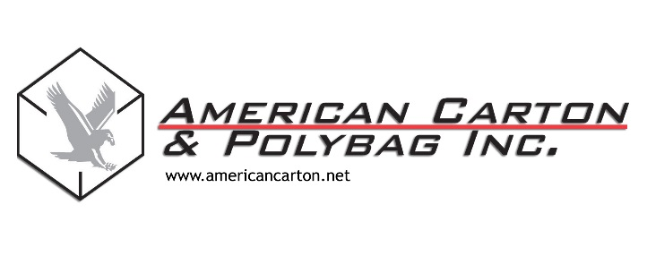

4041 Hiawatha Avenue
Minneapolis, MN 55406 |  |  |  | Date: | 2015-07-21
(P) 612-721-3570
(F) 612-721-1811

 | Customer: | Hershey Foods Corporation
 | Address: | 100 Hershey Lane
 |  | PO Box 123
 |  | Hershey, PA 18965

CERTIFICATE OF CONFORMANCE

This is to certify that the product listed below conforms to the said purchase order and all requirements,
specifications, and tolerances that were provided by the customer.

Customer PO Number:

Customer Part Number: |  | VANILLA

Customer Part Description: |  | Vanilla Ice Creme

Drawing Number: |  | Vanilla Cad#

ACP Order Number: |  | 208491

ACP Mfg Lot Number: |  | 208491

Quantity Shipped: |  | 50,000

Additional Information

Signed By: |  |  | 2015-07-21

